Module 20
Main
 | Module 20 - Taxation: Deferred Tax

 | IAS 12
 | deferred tax is just an accounting concept
 | the tax has not crystalised
 | this is not a present obligation to pay taxes
 | it is the estimate future tax consequences of transactions and events that have been entered as at the year end dat

 | Deferred tax rate is now 25%
 | substantively enacted - when it is so far through parliament
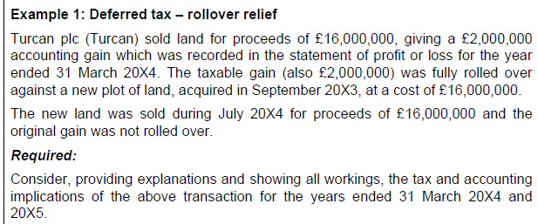

 | when gains rolled forward, the gain not taxed in the year
 | in 2024 - no gain chargeable to CT
 | accounting gain recorded in that year though

 | the deferred tax on the gain is 25% * 2,000k = 500k

 | Approach - assets

 | assets give savings or income

 | increase in future tax will be larger, so need to create a liability to match aginst hat

 | we are going to pay money in the future. This is a liabilty
 | DTL

 | dr - SPL taxation |  |  | 500
 |  | cr - DTL |  |  | 500
 | being recognition of deferred tax liability

 | Approach - Liabilities

 | future tax payments are smaller therefore a DTA exists

 | dr - DTA |  |  | 75
 |  | cr - SPL texation |  |  | 75
 | being recognition of deferred tax asset

 | tax relief expected in the future

 | Under UK tax legislation, pension contributions are deducted for tax purposes only
 | when they are paid. As the pension balance is a liability (a ‘pension obligation’), it
 | cannot have been paid as at the year-end date and, therefore, no tax relief will have
 | been given yet.
 | A pension liability for a defined benefit scheme, per IAS 19 Employee Benefits,
 | represents a deficit. It is assumed that the company will increase its contributions to
 | reduce the deficit. This will lead to future tax relief.
 | This future tax relief will be shown in the current financial statements as a deferred
 | tax asset of £75k (25% x £300k).

 | Temporary Differences

 | value in accounts and tax base

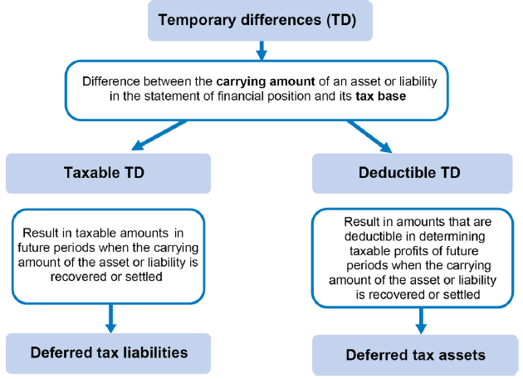

 | Tax base I whatever tax dept says the asset is worth
 | carrying amount is whatever fianance determine it to be worth

 | Only six examples which can lead to temporary difference

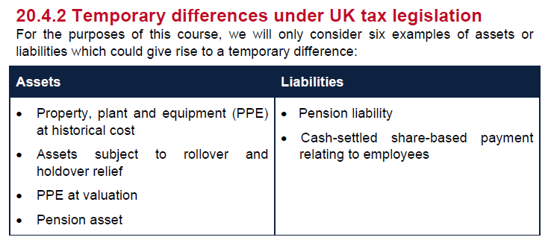

 | difference between NBV (cost less AD) but have to do it on TWDV

 | NBV > TWDV | Tax TD | DTL
 | NBV < TWDV | deductible TD | DTA

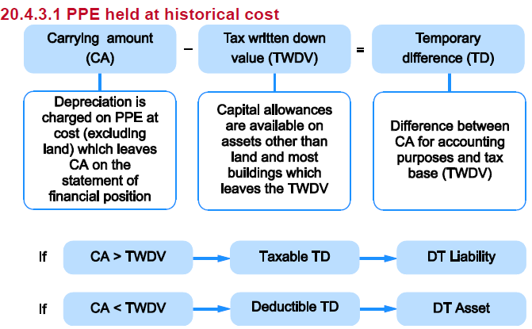

 |  | NBV | tax base | TD | DTL
 | 2023-03-31 |  |  |  | 23 | CR
 | 2024-03-31 | 450 | 310 | 140 | 35 | CR

 | dr - SPL taxation |  |  | 12
 |  | cr - DTL |  |  | 12
 | being increase in DTL

 | Company B

 |  | NBV | tax base | TD | DTA
 | 2023-03-31 |  |  |  | 10 | dr
 | 2024-03-31 | 725 | 850 | -125 | 31 | dr

 | dr - SPL taxation |  |  | 21
 |  | cr - DTL |  |  | 21
 | being increase in DTA

 | The difference between CA and TWDV is sometimes referred to as accelerated
 | capital allowances (ACA).

 | Rollover and holdover relief

 | no capital allces for properties or land. So the tax base is always the carrying amount and therefore the tax base is nil

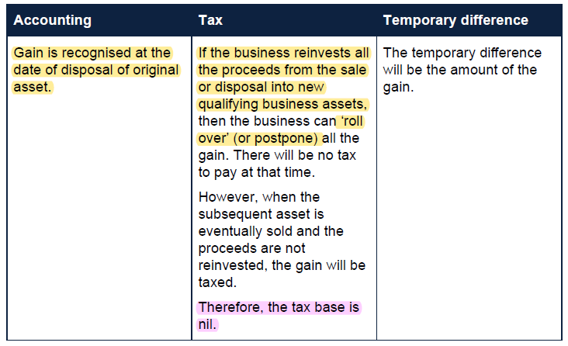

 | revaluation surplus balance (ie cumulative revaluation increase)
 | NBV |  | 610
 | TWDV |  | -450
 | gain |  | 160
 | DTL | 0.25 | 40

 | dr - reval surplus |  |  | 40
 |  | cr - DTL |  |  | 40
 | being recognition of deferred tax liability on revalued asset

 | In practice it is usual to make the journal entry for deferred tax relating to a
 | revaluation to an OCI account and then transfer it to the revaluation surplus in equity.
 | Here we journal directly to the equity account for simplicity.

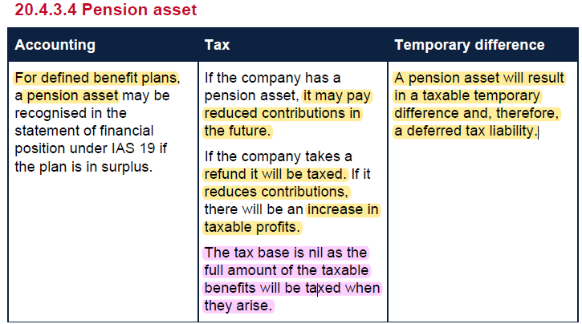

 | deficit payment plan
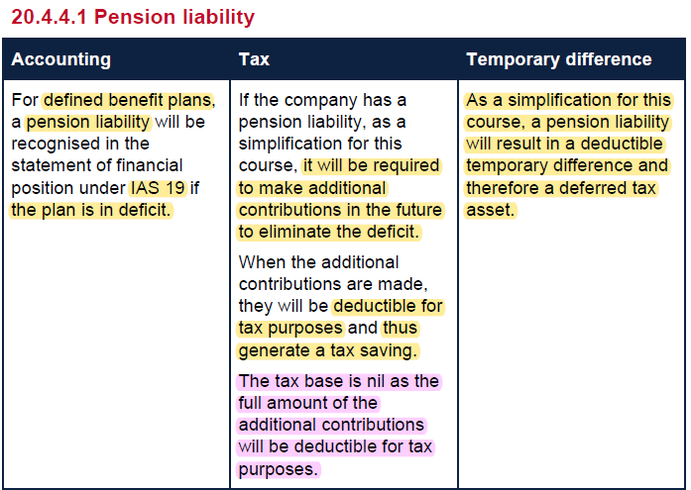

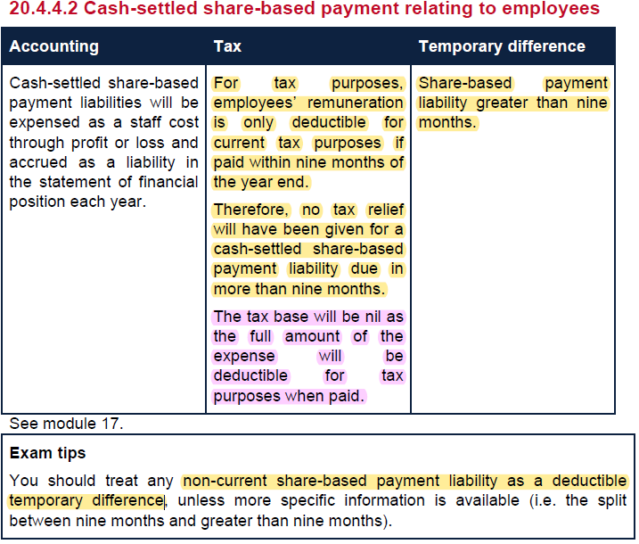

 | non current is greater than 9 months when considering taxation

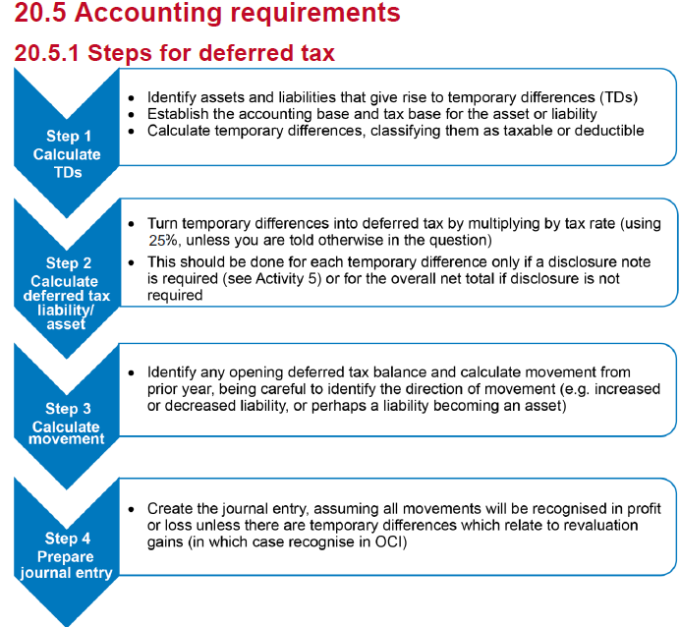

 | Activity 5: Stepped approach

 | NBV > TWDV | Taxable TD | DTL
 | NBV < TWDV | deductible TD | DTA

 |  | NBV | TWDV | TD | DT
 | Land - rollover gain | 900 | 550 | 350 | 88 | cr
 | reval surp | 400 | 0 | 400 | 100 | cr
 | P&M | 1,500 | 610 | 890 | 223 | cr
 | Cash settled SBP liability | -150 | 0 | -150 | -38 | dr
 | Pension liability | -600 | 0 | -600 | -150 | dr

 | Step 2 – Calculate deferred tax liability/ asset |  |  |  | 223 | cr

 |  |  |  |  | 200 | cr
 | Increase in deferred tax |  |  |  | 23 | cr

 | Step 4 – Prepare journal entry
 | Dr - reval surplus |  |  | 100
 | Dr - SPL texation |  |  |  | 78
 |  | Cr DTL |  |  | 23
 | being increase in deferred tax liability

 | prudence - unsure about realising DTA. More confident to recognise DTL

 | is the compnay going ot be profitable in future years in able to adjust for the future tax inflow

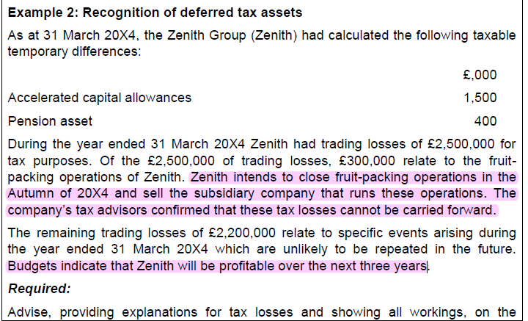

 | so the 300k cannot be carried forward and utilised against future profits
 |  | TD | DT
 | ACA | 1500 | 375 | cr
 | pension asset | 400 | 100 | cr
 | tax losses c/f | -2200 | (-550) | dr
 | DTA as at 31/03/2024 |  | -75 | dr

 | Measurement
 | rate changes not in scope for this course
 | IAS 12 does not permit discounting
 | this is due to the complexity nd practicality of calculating a discounted amount

 | Presenation
 | taken directly to equity (e.g revaluation increases)

WSE20.1
Main
 | Companies A and B

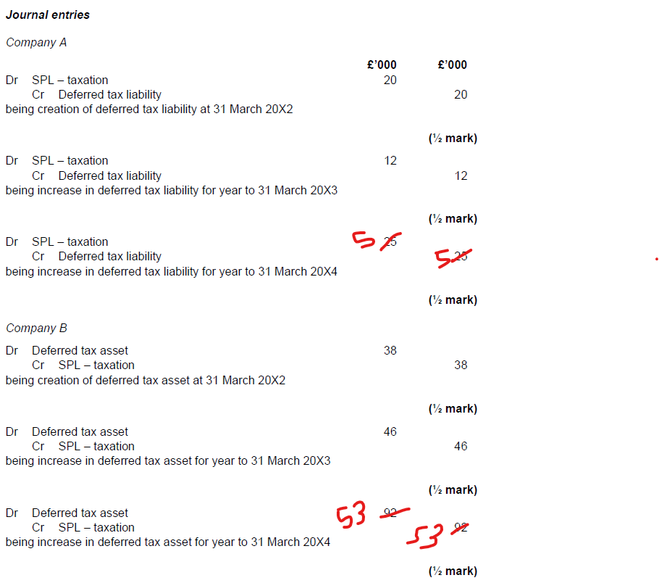
 | 2021-03-31
 | Cost | 1,000 | 1,000
 | AD | 100 | 333 | dr - A SPL Tax | 20
 | NBV | 900 | 667 | cr - A DTL | 20
 | TWDV | 820 | 820
 | TD | 80 | (153) | dr - B DTA | 38
 | DT | 20 | (38) | cr - B SPL Tax | 38
 |  | cr | dr

 | 2022-03-31
 | Cost | 1,000 | 1,000
 | AD | 200 | 667 | dr - A SPL Tax | 12
 | NBV | 800 | 333 | cr - A DTL | 12
 | TWDV | 672 | 672
 | TD | 128 | (339) | dr - B DTA | 46
 | DT | 32 | (85) | cr - B SPL Tax | 46
 |  | cr | dr

 | 2022-03-31
 | Cost | 1,000 | 1,000
 | AD | 300 | 1,000 | dr - A SPL Tax | 5
 | NBV | 700 | 0 | cr - A DTL | 5
 | TWDV | 551 | 551
 | TD | 149 | (551) | dr - B DTA | 53
 | DT | 37 | (138) | cr - B SPL Tax | 53
 |  | cr | dr

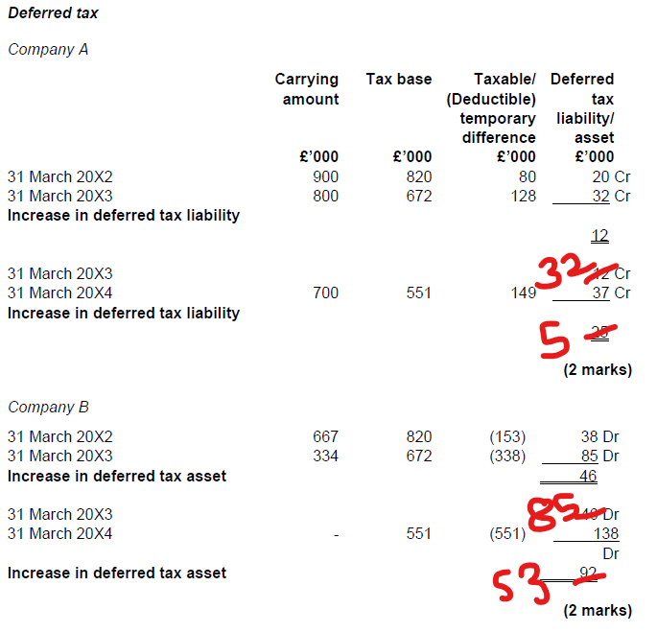

 |  |  |  |  |  | 53

